Sheet1
Project Name | Carisayur.com
Scenario ID | Credit Card Payment Method
Scenario last modified date | Wednesday, 17 June 2020
Total Case | 12

No. | Test Case Name & Type |  | Test Case Desc / Step | Test Data | Expect Result | Actual Result | Status (P / F)
TC-1 | Valid | Add New Credit Card with valid data | 1. Choose Credit Card payment method | CC number : | Payment Credit card successed
 |  |  | 2. Input card number | Expired Date :
 |  |  | 3. Input expired date | CVV :
 |  |  | 4. Input CVV
 |  |  | 5. Click button "Pay" |  |  | 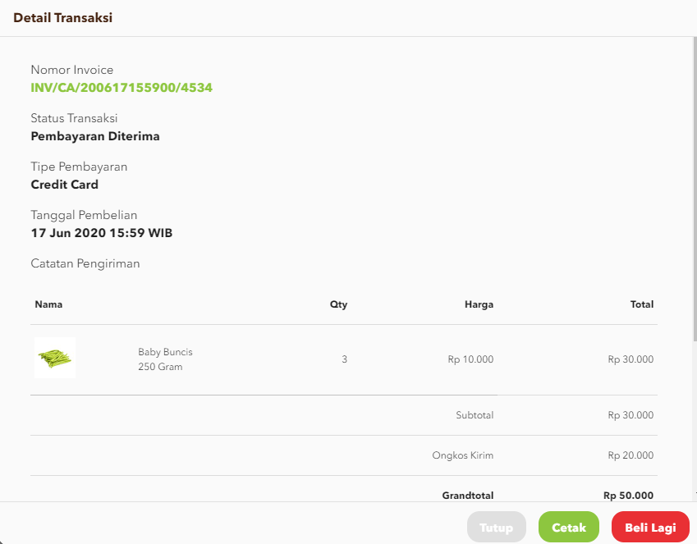
TC-2 | Invalid | Add new Credit Card with invalid data | 1. Choose Credit Card payment method | CC number : 12345678 | Show error messages
 |  |  | 2. Input card number | Expired Date : 05/02
 |  |  | 3. Input expired date | CVV : 906
 |  |  | 4. Input CVV
 |  |  | 5. Click button "Pay" |  |  | 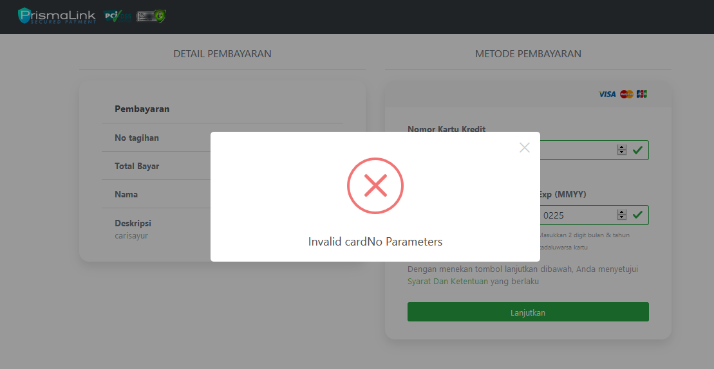
TC-3 | Invalid | Empty coloumn card number | 1.Choose Credit Card payment method | Expired date : 05/21 | Show error messages "Cannot be empty"
 |  |  | 2. Input expired date | CVV : 101
 |  |  | 3. Input CVV
 |  |  | 4. Click button "Pay" |  |  | 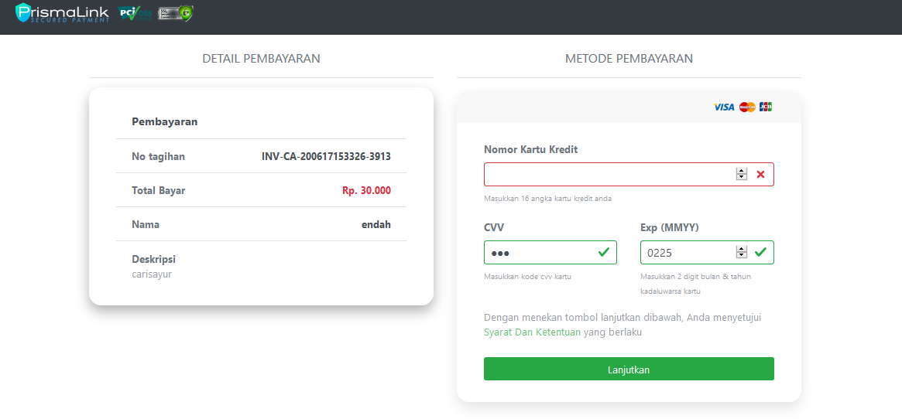
TC-4 | Invalid | Input Credit Card number less than 16 digit | 1. Choose Credit Card payment method | CC number : 512345 | Show error messages "Invalid Card Number"
 |  |  | 2. Input card number | Expired Date : 05/21
 |  |  | 3. Input expired date | CVV : 105
 |  |  | 4. Input CVV
 |  |  | 5. Click button "Pay" |  |  | 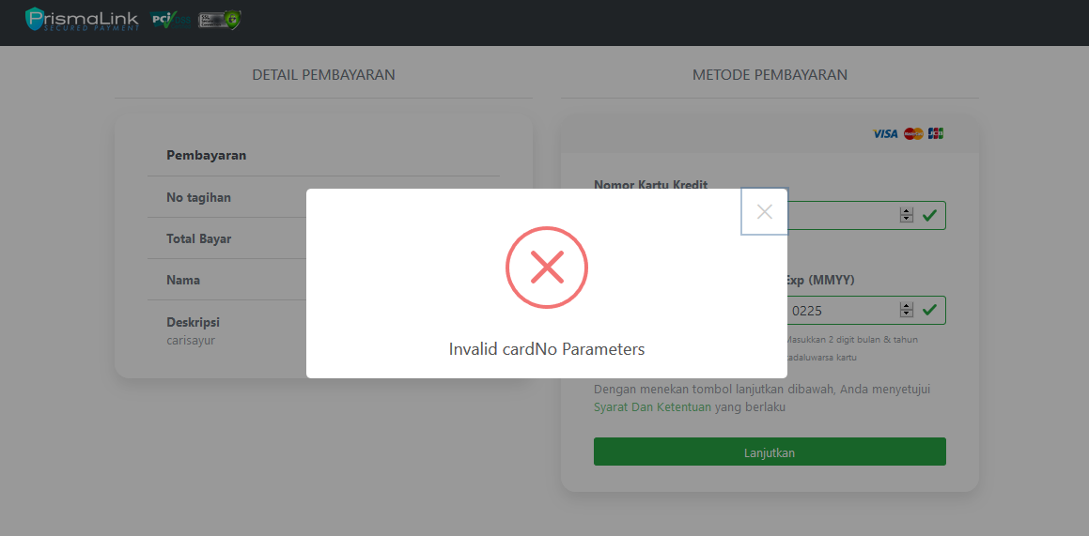
TC-5 | Invalid | Empty coloumn expired date | 1. Choose Credit Card payment method | CC number : 4987654321098769 | Show error messages "Cannot be empty"
 |  |  | 2. Input card number | CVV : 101
 |  |  | 3. Input CVV
 |  |  | 4. Click button "Pay" |  |  | 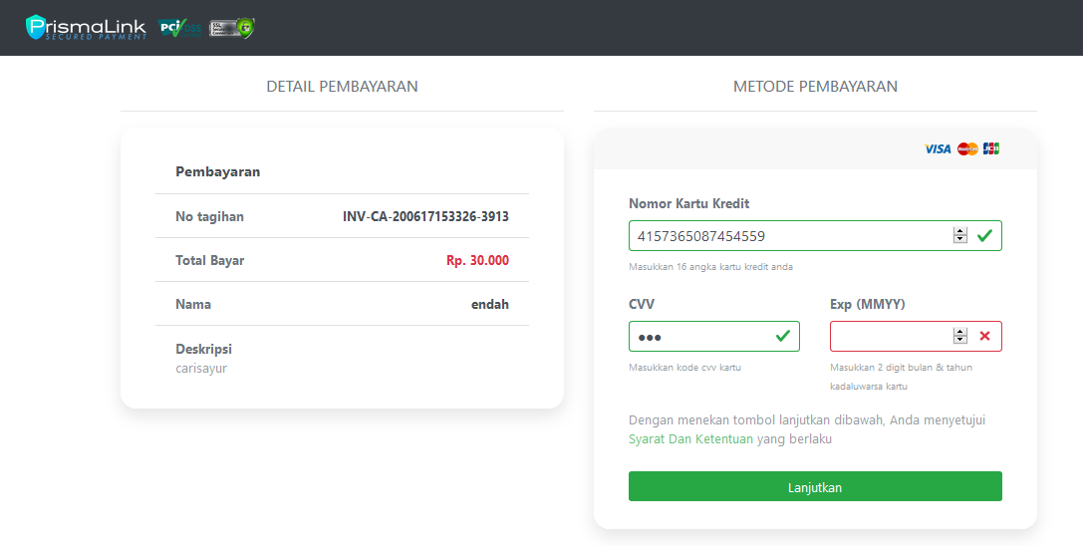
TC-6 | Invalid | Input Expired Credit Card | 1. Choose Credit Card payment method | CC number : 5123456789012346 | Show error messages " Your Credit Card was Expired"
 |  |  | 2. Input new Card Number | Expired Date : 05/02
 |  |  | 3. Input expired date | CVV : 105
 |  |  | 4. Input CVV
 |  |  | 5. Click button "Pay"
TC-7 | Invalid | Empty coloumn CVV | 1. Choose Credit Card payment method | CC number : 4987654321098769 | Show error messages "Cannot be empty"
 |  |  | 2. Input card number | Expired Date : 05/21
 |  |  | 3. Input expired date
 |  |  | 4. Click button "Pay" |  |  | 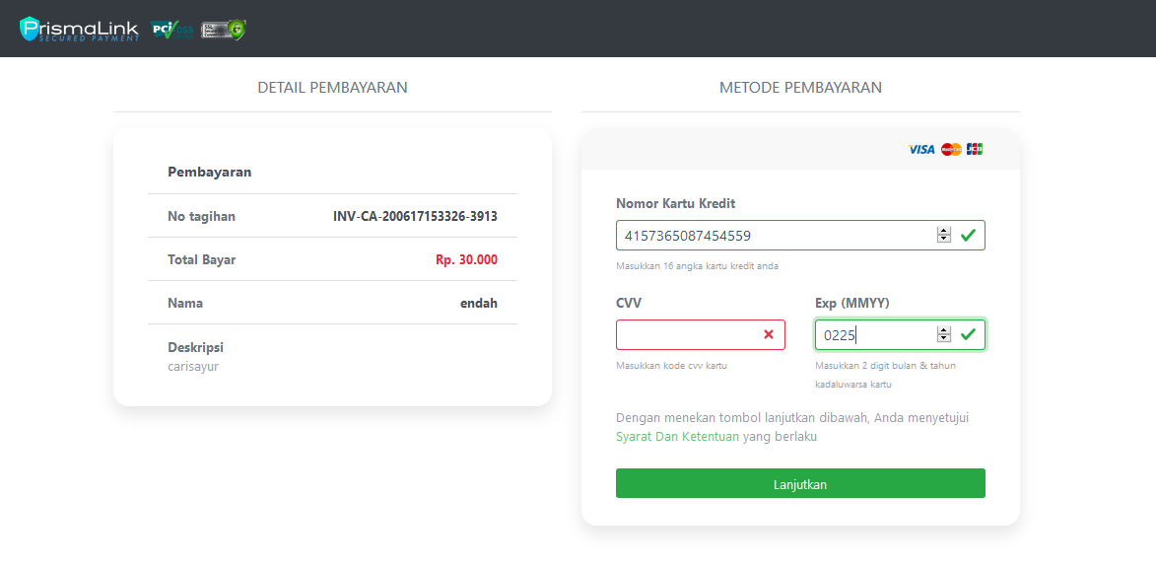
TC-8 | Invalid | Mismatched CVV number | 1. Choose Credit Card payment method | CC number : 5123456789012346 | Show error messages " Mismatched CVV number"
 |  |  | 2. Input new Card Number | Expired Date : 05/21
 |  |  | 3. Input expired date | CVV : 111
 |  |  | 4. Input mismatched CVV numbers
 |  |  | 5. Click button "Pay" |  |  | 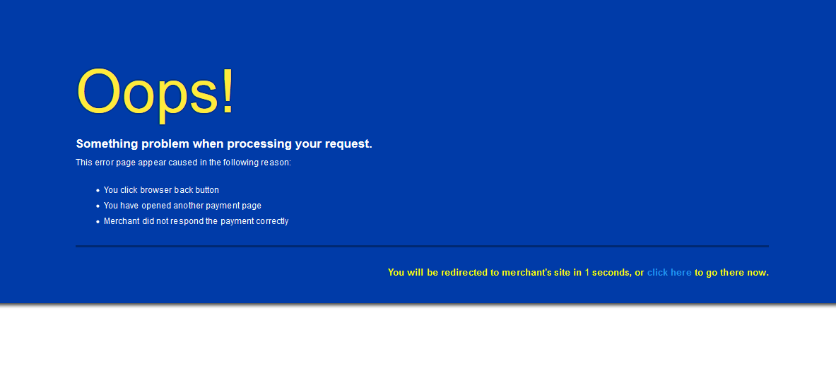
TC-9 | Valid | 2nd time Credit Card payment method | 1. Choose Credit Card payment method |  | Transaction Successed
 |  |  | 2. Click button "Pay" |  |  | 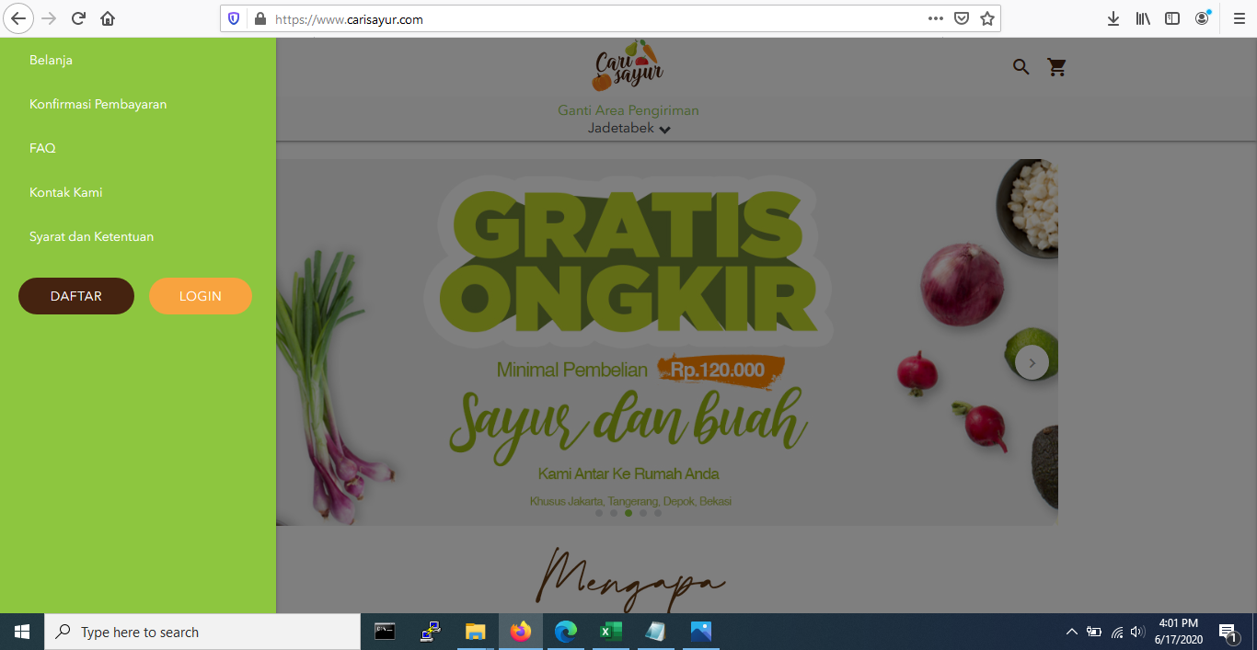
TC-10 | Valid | Tiket size limit credit card less than Rp. 10.000 | 1. Choose Credit Card payment method |  | Transaction Filtered
 |  |  | 2. Click button "Pay"

 |  | TC 10

